ABC - ONE
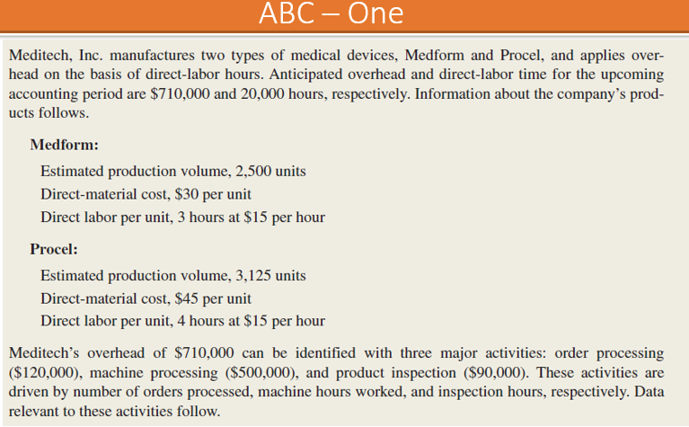
INPUTS |  |  |  |  | Activity Based Costing

Antipated Overheads | 710,000
Antipated labour time | 20,000

Medform
Estimated Production Vol | 2,500 | Units
Direct Material | 30 | Per Unit
Direct Labour | 3 | hrs | 15 | per hour
Procel
Estimated Production Vol | 3,125 | Units
Direct Material | 45 | Per Unit
Direct Labour | 4 | hrs | 15 | per hour

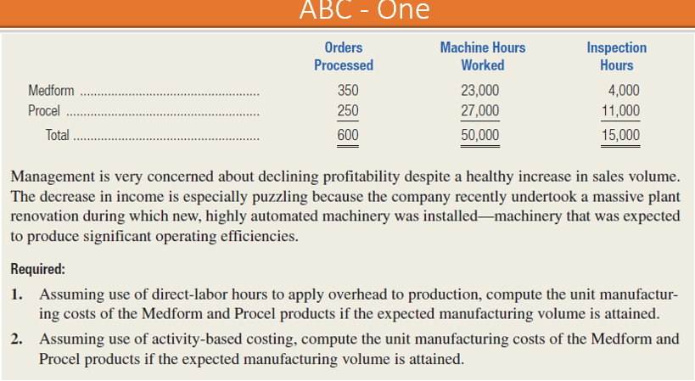
 | Ord Proc | Mac Pros | Prod Insp
Overheads | 120,000 | 500,000 | 90,000

Medform | 350 | 23,000 | 4,000
Procel | 250 | 27,000 | 11,000
Total | 600 | 50,000 | 15,000

Solution
1. Unit Manufacturing Costs | 35.5 | per hour
Predetermined Overhead rate
 |  | Medform | Procel
 |  | 30 | 45
Direct Material |  | 45 | 60
Direct Labour |  | 106.5 | 142
Manufacturing overhead |  | 182 | 247
Total Cost

1. Activity Based Costing Details

Activity | Cost | Driver | Rate
Order Processing | 120,000 | 600 | 200
Machine Processing | 500,000 | 50,000 | 10
Product Processing | 90,000 | 15,000 | 6

Activity | Medform | Procel | Total
Order Processing | 70,000 | 50,000 | 120,000
Machine Processing | 230,000 | 270,000 | 500,000
Product Processing | 24,000 | 66,000 | 90,000
Total | 324,000 | 386,000 | 710,000
Units | 2,500 | 3,125
Manufacturing Overhead / unit | 129.6 | 123.52

Unit Manufacturing Costs (ABC)
Direct Material | 30 | 45
Direct Labour | 45 | 60
Manufacturing overhead | 129.6 | 123.52
Total Cost | 204.6 | 228.52

3. Comparison | Medform | Procel

Traditional Costing - Cost / Unit | 182 | 247
ABC - Cost/Unit | 204.6 | 228.5
Overcosting ( Undercosting) | -23.10 | 18.48

ABC -TWO
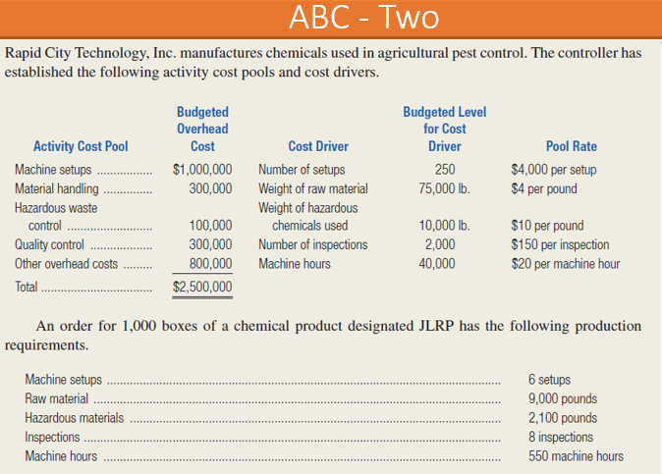
INPUTS

Activity Cost Pool | Budgeted Overhead Cost | Diver | Budgeted Level | Pool Rate
Machine Setups | 1,000,000 | Number of set ups | 250 | 4000
Material handling | 300,000 | weight of raw material | 75,000 | 4
Hazardous Waste Control | 100,000 | Weight of hazardous Chemicals used | 10,000 | 10
Quality Control | 300,000 | No.of inpections | 2,000 | 150
Other overhead cost | 800,000 | Machine hours | 40,000 | 20
Total | 2,500,000

JLRP | 1,000 | BOXES
Machine Set ups | 6 | no.s
Material handling | 9,000 | wt
Hazardous waste cont | 2,100 | wt
Quality control | 8 | inspection
Mach Hrs | 550 | hours
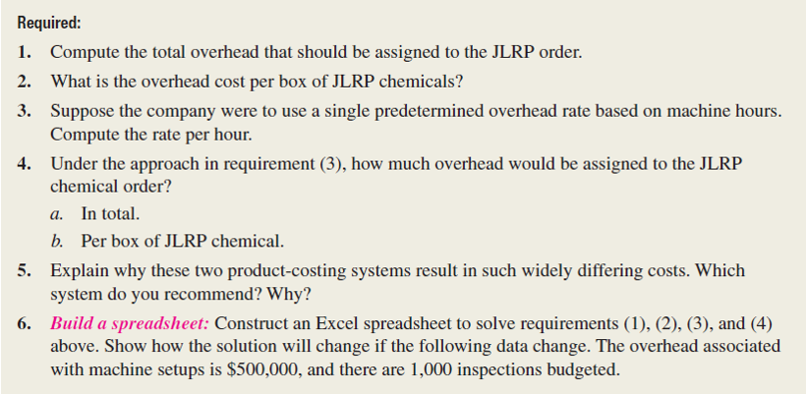
Total

1.ABC

Activity Cost Pool
Machine Setups | 24,000
Material handling | 36,000
Hazardous Waste Control | 21,000
Quality Control | 1,200
Other overhead cost | 11,000
Total | 93,200
Cost Per Unit | 93.20

2. Traditional costing

POHR | 62.5 | Per mach hr.
Total Cost | 34,375
 | 34.375 | Undercosting
3. Comparison

Traditional Costing - Cost / Unit | 34.375
ABC - Cost/Unit | 93.20
Overcosting ( Undercosting) | -58.83

